Sheet1
input data |  |  | output data |  |  | plate calculations |  |  | stiffeners calculations |  |  | flanges and web welding

web length | 68 | cm | overall safety | unsafe | safety | web length | 68 | cm | stiffeners count | 5 | stiffenere | Fu,weld | 1.04 | t/cm2
web thickness | 2 | cm | top plate thickness | 1.63 | cm | web thickness | 2 | cm | stiffeners spacing , center to center | 9 | cm | flange weld length | 64 | cm
flange length | 42 | cm |  |  |  | flange length | 42 | cm | stiffeners clear spacing , X | 7 | cm | web weld length | 132 | cm
flange thickness | 2 | cm |  |  |  | flange thickness | 2 | cm | stiffener thickness , tst | 2 | cm | FN | 0.72692307692 | t/cm2
C1 | 5 | cm |  |  |  | beam depth h | 72 | cm | stiffener height ,hst | 32 | cm | FQ | 0.061653846154 | t/cm3
D (plate length) | 145 | cm |  |  |  | C1 | 5 | cm | stiffeners length , bst | 31.5 | cm | Feq | 0.73472494854 | t/cm4
tp , plate thickness | 2 | cm |  |  |  | C2 | 14 | cm | buckling check bst / tst | 15.75 | buckling | safety | safe
Straining actions |  |  |  |  |  | D (plate length) | 145 | cm | buckling safety | safe | safety
N Normal force | 189 | ton |  |  |  | B (plate Width) | 70 | cm | Qy applied on stiffeners | 140.87681159 | ton
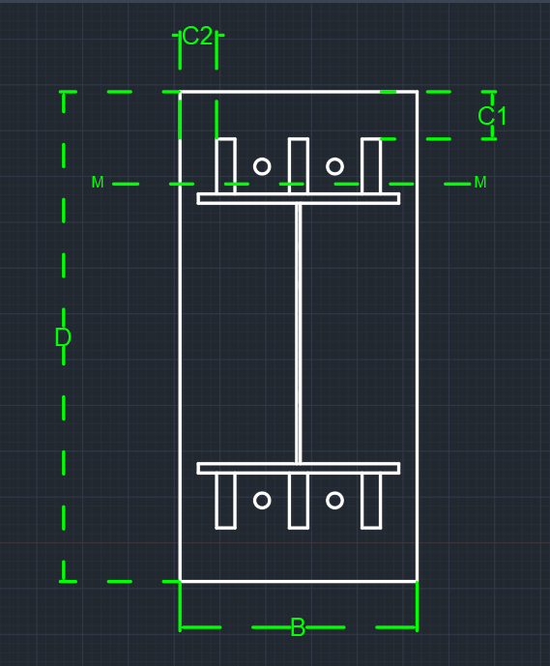
Qx | 7.8 | ton |  |  |  | tp , plate thickness | 2 | cm | Qy per stiffener | 35.219202899 | ton | Top Plate Design
Qy | 14 | tons |  |  |  | e | 25.396825397 | cm | stiffener weld thickness | 2 | cm
Q eq | 16.03 | ton |  |  |  | stress core | 24.166666667 | cm | stiffener weld length = hst - 2cm | 30 | cm | plate width | 29.1 | cm
M moment | 48 | m . Ton |  |  |  | comp. and tension bolts spacing , h* , spacing bet. C.g. of stiffeners | 103.5 | cm | qy , shear stress on weld | 0.29349335749 | ton / cm2 | moment on plate | 27.069293478 | ton cm
stiffiners |  |  |  |  |  | Compression force | 140.87681159 | ton | f , normal stress due to bending on weld | 0.92450407609 | ton / cm2 | plate thickness required | 1.63 | cm
stiffeners count | 5 | stiffenere |  |  |  | Tension Force | 48.123188406 | ton | feq , equivalent stress | 1.0550463684 | ton / cm2
stiffener thickness , tst | 2 | cm |  |  |  | a ( third comp. stress in case of tension existance ) | 20.75 | cm | stiffeners weld safety | safe | safety
stiffener height , hst | 32 | cm |  |  |  | ………..Plate Properties of area calculations………..
bolts |  |  |  |  |  | plate surface Area | 10150 | cm2
bolts rows | 2 | rows |  |  |  | plate surface inertia , Ix | 17783645.833 | cm4
bolt diameter | 22 | mm |  |  |  | plate section area , A1 | 140 | cm2 | shear bolts threaded bolts , Anchor bolts
weld |  |  |  |  |  | plate section center of gravity | 1 | cm |  |  |  | Resistance Stresses
flange weld thickness | 2 | cm |  |  |  | plate section inertia | 46.666666667 | cm4 | bolts count | 8 | All bolts
web weld thickness | 1 | cm |  |  |  | Applied moment on Plate , due to compression | 811.99828905 | ton cm | construction condition , 3D , edge and flange spacing | safe | safety | steel yield stress | 3.6 | ton/cm2
 |  |  |  |  |  | tp , plate thickness , required for compression | 5.18 | cm | construction condition , 3D , stiffeners spacing | safe | safety | steel ultimate stress | 5.2 | ton/cm2
 |  |  |  |  |  | plate thickness safety , for compression | unsafe | cm | Area bolt | 3.8013271108 | cm2 | plate section allowable stress 0.58Fy | 2.088 | ton/cm2
 |  |  |  |  |  | Applied moment on Plate , due to compression | 0 | ton cm | Rsh | 4.0712213357 | tons | plate section allowable stress 0.72Fy | 2.592 | ton/cm3
 |  |  |  |  |  | tp , plate thickness , required for compression | 0 | cm | Rbear | 23.3376 | tons | concrete bearing capacity | 77 | kg/cm2
 |  |  |  |  |  | plate thickness safety , for compression | safe | cm | R max | 4.0712213357 | tons
 |  |  |  |  |  |  |  |  | Q per Bolt | 2.00375 | tons
 |  |  |  |  |  |  |  |  | Tension allowable | 6.7465953563 | tons
 |  |  |  |  |  |  |  |  | Tension per bolt | 6.0153985507 | tons
 |  |  |  |  |  |  |  |  | circular equation | 1.0372214307 |  | Applied Stresses
 |  |  |  |  |  |  |  |  | bolt straining actions safety | unsafe | safety
 |  |  |  |  |  |  |  |  | ………..bolts length ……….. |  |  | have tension ? | have tension
 |  |  |  |  |  |  |  |  | bold stress for concrete | 9 | kg/cm2 | max stress ( concrete stress ) | 0.064659466021 | t/cm2
 |  |  |  |  |  |  |  |  | required bolt length | 50 | cm | stress on concrete @ bolt | 0.043106310681 | t/cm2
 |  |  |  |  |  |  |  |  | Area washer plate | 37.730153554 | cm2 | stress concrete @ flange | 0.026746686748 | t/cm2
 |  |  |  |  |  |  |  |  | washer plate length | 6.14 | cm | average Concrete stress ( max , @bolt) | 0.053882888351 | t/cm2
 |  |  |  |  |  |  |  |  | moment on washer plate | 2.227952111 | ton cm | average concrete stress ( max , @flange ) | 0.045703076385 | t/cm2
 |  |  |  |  |  |  |  |  | washer plate thickness | 1.4440895195 | cm | concrete bearing safety | safe | safety

